correlation
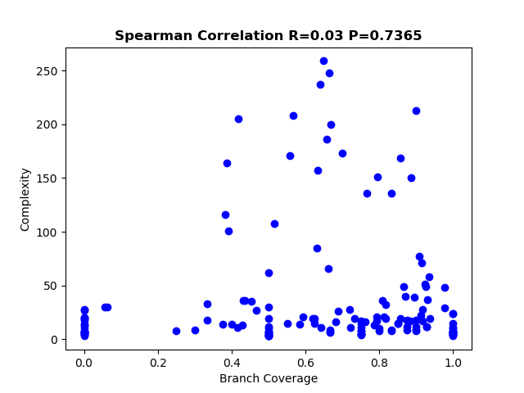
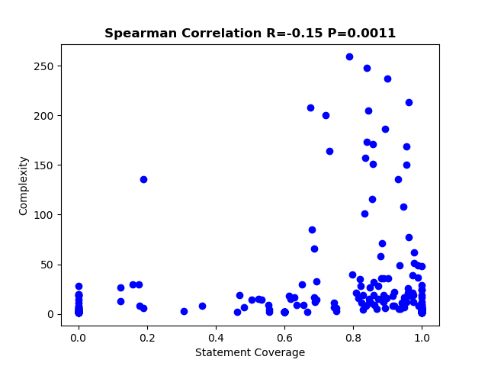
statement coverage | #DIV/0!
branch coverage | #DIV/0!

